Instructions
NetWorked Community Solutions Grant Budget
Total Requested Grant Amounts may either be $5,000 or $10,000. Requests of other amounts will not be reviewed or considered. | Excel Tips

Tab 2: Make sure to fill in all gray boxes. For each line-item, include a detailed description of how funds will be used. The totals that you list in your description of how you will use the funds should not exceed total grant funding requested. | Want to start a new line? To add a line break, press alt + Return (PC) or Ctrl + Option + Return (Mac).

 | Does your text turn into ###### after you leave the cell? This means the cell is formatted for numbers, not text. To change the format, right-click on the cell and select Format Cells. In the Numbers tab, select General. Then click OK.

 | Is your text too long, so that it gets cut off? Make sure text wrap is on. Select the cell and click Wrap Text in the HOME menu above. Don't see a Wrap Text button? Right-click on the cell and select Format Cells. In the Alignment tab, check the Wrap Text box. Then click OK. After you have made the text wrap to the next line, you can adjust the height of a cell by dragging your cursor over the row number on the left until it looks like the cursor in the image below. Then click and drag to the appropriate height.

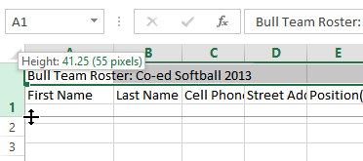

Budget template adapted from MDH

